valve
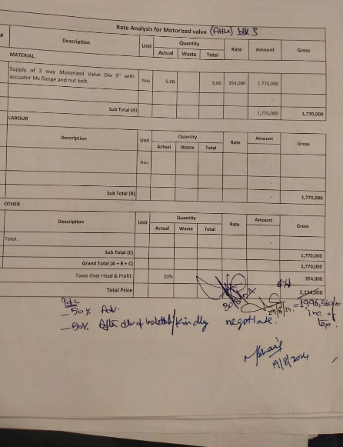
Dated: | 19-Aug-24
Project: | Meezan Head Office Extension Block 111 karachi.
Variation No 1
BOQ Item # 2.6 (iii)

Rate Analysis for Motorized valve
S. # | Description | Unit | Quantity |  |  | Rate | Amount | Gross
 |  |  | Actual | Waste | Total
A MATERIAL.
1 | Supply of 2 way Motorized Valve Dia 3'' with accuator Ms flange and nut bolt. | Nos | 5.00 |  | 5.00 | 354,000 | 1,770,000
2 |  |  |  |  |  |  | -
 | Sub Total (A) |  |  |  |  |  | 1,770,000 | 1,770,000
B . | LABOUR
S. # | Description | Unit | Quantity |  |  | Rate | Amount | Gross
 |  |  | Actual | Waste | Total
1 |  | Nos |  |  |  |  | -
2 |  |  |  |  |  |  | -
 | Sub Total (B) |  |  |  |  |  | - | 1,770,000
C OTHER
S. # | Description | Unit | Quantity |  |  | Rate | Amount | Gross
 |  |  | Actual | Waste | Total
 | Total. |  |  |  |  |  | -
 | Sub Total (C) |  |  |  |  |  |  | 1,770,000
 | Grand Total (A + B + C) |  |  |  |  |  |  | 1,770,000
 | Discount |  |  |  |  |  |  | 229,444
 | Net Total (after Discount) |  |  |  |  |  |  | 1,540,556
Over Head & Profit: |  |  | 20% |  |  |  |  | 308,111
 | Net Total (exclusive of Tax) |  |  |  |  |  |  | 1,848,667
 | Add Tax 08% |  |  |  |  |  |  | 147,893
 | Net Total (inclusive of Tax) |  |  |  |  |  |  | 1,996,560

